Foglio1
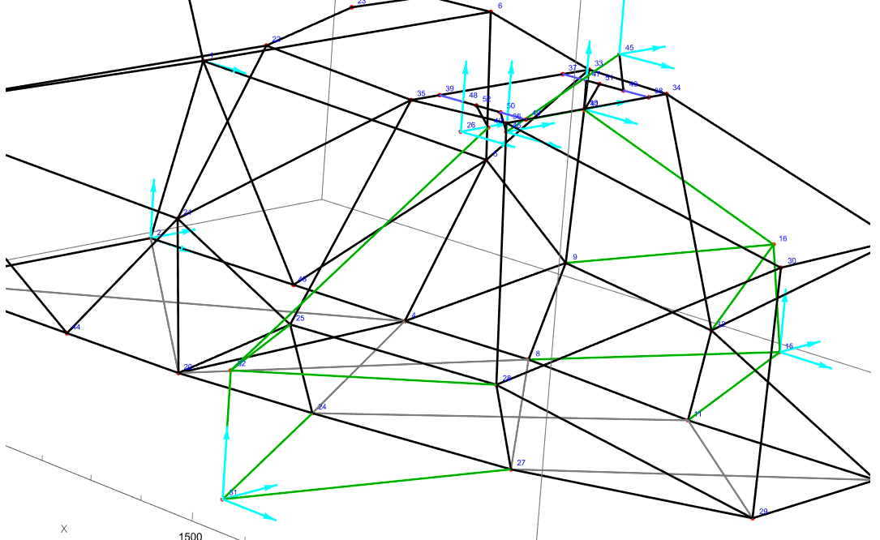
Beam | Start node | End node | N | Beam | Start node | End node | N | Beam | Start node | End node | N | Beam | Start node | End node | N
41 | 24 | 31 | -932.35979886 | 41 | 24 | 31 | 613.53493392 | 41 | 24 | 31 | -1707.4290903 | 41 | 24 | 31 | 224.45465591
42 | 27 | 31 | -1871.319133 | 42 | 27 | 31 | -334.46495905 | 42 | 27 | 31 | 1551.8992867 | 42 | 27 | 31 | 150.08407676
43 | 31 | 32 | -1859.7393165 | 43 | 31 | 32 | -256.66634912 | 43 | 31 | 32 | -1364.5677971 | 43 | 31 | 32 | -177.06327724
44 | 25 | 32 | 1058.0052372 | 44 | 25 | 32 | 150.85537529 | 44 | 25 | 32 | 792.95852057 | 44 | 25 | 32 | 104.73849733
45 | 28 | 32 | 1740.9061181 | 45 | 28 | 32 | 245.82750573 | 45 | 28 | 32 | 1296.5539143 | 45 | 28 | 32 | 170.35008548
46 | 8 | 15 | 224.53478912 | 46 | 8 | 15 | 694.58890928 | 46 | 8 | 15 | -1566.2357735 | 46 | 8 | 15 | -932.35979886
47 | 11 | 15 | 150.05775532 | 47 | 11 | 15 | -819.20234111 | 47 | 11 | 15 | 1822.8519891 | 47 | 11 | 15 | -1871.319133
48 | 15 | 16 | -177.53287087 | 48 | 15 | 16 | -419.60467681 | 48 | 15 | 16 | -1349.2840406 | 48 | 15 | 16 | -1859.7393165
49 | 9 | 16 | 105.09616335 | 49 | 9 | 16 | 247.46714587 | 49 | 9 | 16 | 775.52732225 | 49 | 9 | 16 | 1058.0052372
50 | 12 | 16 | 170.89278332 | 50 | 12 | 16 | 402.84994856 | 50 | 12 | 16 | 1272.1971733 | 50 | 12 | 16 | 1740.9061181
73 | 32 | 42 | -2971.9311931 | 73 | 32 | 42 | -428.56162396 | 73 | 32 | 42 | -2242.3617763 | 73 | 32 | 42 | -298.46305961
74 | 41 | 16 | -299.59974667 | 74 | 41 | 16 | -704.13827829 | 74 | 41 | 16 | -2184.9594069 | 74 | 41 | 16 | -2971.9311931
104 | 10 | 26 | -1036.9419225 | 104 | 10 | 26 | -44.30375194 | 104 | 10 | 26 | -1092.8891403 | 104 | 10 | 26 | -291.76470509
105 | 45 | 46 | -188.73680234 | 105 | 45 | 46 | 240.78759561 | 105 | 45 | 46 | -320.10677963 | 105 | 45 | 46 | 187.14419531
 |  | max | 2971.9311931 |  |  | max | 819.20234111 |  |  | max | 2242.3617763 |  |  | max | 2971.9311931

